A55
 |  |  |  |  |  |  | A55 Survey Form

Work Required |  | Ancillary |  |  | Surface | Tarmac |  |  | Traffic lights - Survey Req'd |  | Survey Required |  |  |  |  |  |  | Key
Exchange |  | - |  |  | Local Auth | - |  |  | Percentage Bore Full
Onsite Engineer |  | - |  |  |  |  |  |  | 0-50% |  |  |  |  |  |  |  |  |  | Mandatory Information
Tel No |  | - |  |  | CP DFE Ref | - |  |  | No of Cables in Bore |  |  | - | Proposed Cable |  | -
 |  |  |  |  | O/S Ref | - |  |  | Duct Section No |  |  | Exchange | Proposed Sub Duct Diameter |  |  | - | mm |  | Information required for
PIA Order No. |  | - |  |  | Private | Yes |  |  | Duct Type |  | PVC |  |  | Comments: |  |  |  |  | duct blockages only
Date |  | 2022-08-08 |  |  | Property |  |  |  |  |  |  |  |  | -
 | Box A - Type |  | L1 |  |  |  | L2 |  |  | L3 |  | Box B - Type |  |  |  |  |  |  | Will turn white when
 | - |  |  |  |  |  |  |  |  |  |  | - |  |  |  |  |  |  | field populated
 |  | Soft = | 0.0 | Metres |  |  | 0.0 | Metres |  | 0.0 | Metres
Bore |  | Footway = | 0.0 | Metres |  |  | 0.0 | Metres |  | 0.0 | Metres | E/E Section Length
- |  | Carriageway = | 0.0 | Metres |  |  | 0.0 | Metres |  | 0.0 | Metres = |  | Metres |  |  |  |  | Once finished click on 'SAVE' to save the document. Do not use the email button. This form should be submitted with your CRF.

 |  |  |  |  | Add drawing of section length below (Include Address of Each Blockage)

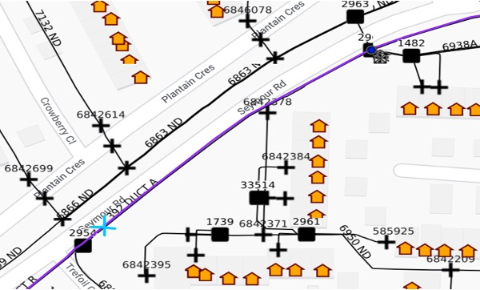
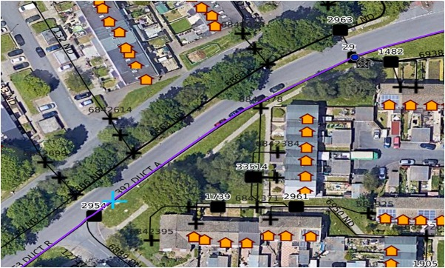

Google satellite view |  |  |  |  |  |  |  | APX view

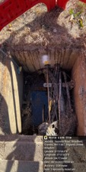
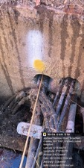
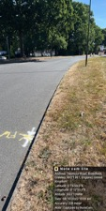
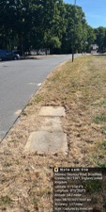
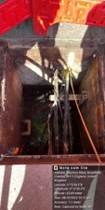
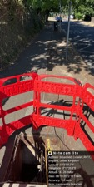
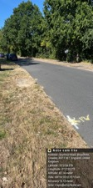
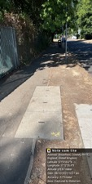

 |  | - |  |  |  |  |  |  |  |  |  | -

F Tulodziecki 28th March 2007

